Sheet1
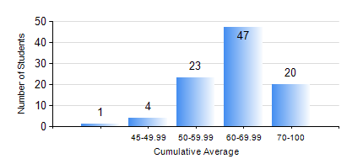
 |  |  | KWAME NKRUMAH UNIVERSITY OF SCIENCE AND TECHNOLOGY, KUMASI Department of Materials Engineering

 |  |  | BSC. MATERIALS ENG.

 |  |  | COMPREHENSIVE RECORD OF EXAMINATION RESULTS

 |  |  | RESULTS OF YEAR 4 FIRST SEMESTER, 2021/2022 ACADEMIC YEAR

 | Sn | Course Code |  | Course Name | Credit Hours | Min. Mark | Max. Mark | Avg. Mark | Std. Dev. | No. Passed | No. Trailed | No. (Df) | No. (I) | No. (I*) | No. Tagged(I,I*,Df) | Total
 | 0. |  |  |  |  |  |  | 0 | 0 | 0 | 0 | 0 | 0 | 0 | 0 | 1
 | 1. | ME 491 |  | ENGINEERING ECONOMY AND MANAGEMENT | 3 | 27 | 79 | 62 | 9.64 | 93 | 1 | 0 | 0 | 0 | 0 | 94
 | 2. | MSE 451 |  | COMPOSITE MATERIALS | 3 | 29 | 91 | 55 | 12.67 | 84 | 10 | 0 | 0 | 0 | 0 | 94
 | 3. | MSE 453 |  | CORROSION OF ENGINEERING MATERIALS | 3 | 43 | 91 | 67 | 11.03 | 94 | 0 | 0 | 0 | 0 | 0 | 94
 | 4. | MSE 455 |  | ELECTRICAL/MAGNETIC PROPERTIES OF MATERIALS | 3 | 48 | 82 | 65 | 9.13 | 94 | 0 | 0 | 0 | 0 | 0 | 94
 | 5. | MSE 457 |  | METALWORKING PROCESSES | 3 | 26 | 90 | 69 | 11.43 | 93 | 1 | 0 | 0 | 0 | 0 | 94
 | 6. | MSE 459 |  | VACATION TRAINING | 2 | 50 | 93 | 76 | 8.32 | 91 | 0 | 0 | 3 | 0 | 3 | 94
 | 7. | MSE 497 |  | PROJECT I | 3 | 49 | 87 | 74 | 6.23 | 94 | 0 | 0 | 0 | 0 | 0 | 94

